Banks
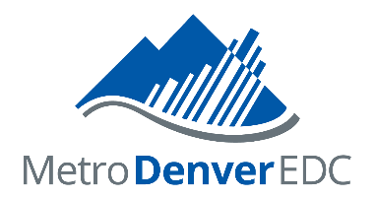 25 LARGEST METRO DENVER BANKS AND SAVINGS ASSOCIATIONS

2020
Ranked by Inside Deposits as of June 30, 2020

 |  | Metro Denver Market
Rank | Bank | Deposits ($ millions) | Market Share

1 | Wells Fargo Bank NA | $24,850 | 23.2%
2 | U.S. Bank NA | $14,600 | 13.6%
3 | JPMorgan Chase Bank NA | $14,310 | 13.4%
4 | FirstBank | $13,680 | 12.8%
5 | KeyBank NA | $6,540 | 6.1%
6 | Bank of the West | $3,940 | 3.7%
7 | BOK Financial | $3,790 | 3.5%
8 | Bank of America NA | $3,640 | 3.4%
9 | Vectra Bank | $2,220 | 2.1%
10 | BBVA USA | $2,170 | 2.0%
11 | Colorado Federal Savings Bank | $2,080 | 1.9%
12 | Citywide Banks | $1,800 | 1.7%
13 | UMB Bank NA | $1,680 | 1.6%
14 | Independent Financial | $1,230 | 1.2%
15 | TCF National Bank | $913 | 0.9%
16 | NBH Bank NA | $847 | 0.8%
17 | First Western Trust Bank | $774 | 0.7%
18 | Sunflower Bank NA | $751 | 0.7%
19 | ANB Bank | $628 | 0.6%
20 | TBK Bank SSB | $368 | 0.3%
21 | Bank of Colorado | $366 | 0.3%
22 | Glacier Bank | $278 | 0.3%
23 | Alpine Bank | $227 | 0.2%
24 | First National Bank of Omaha | $158 | 0.2%
25 | Great Western Bank | $134 | 0.1%

Note: Data are only for the Metro Denver portion of each institution's total market.
Source: Book of Lists 2020/2021, Denver Business Journal.
Revised February 2021
Metro Denver EDC

